BLE Gateway_BD
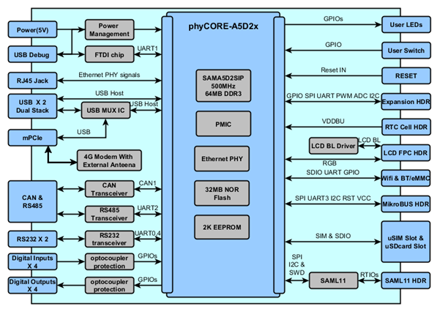
BLE Gateway Block Diagram

BLE Gateway_Schematic
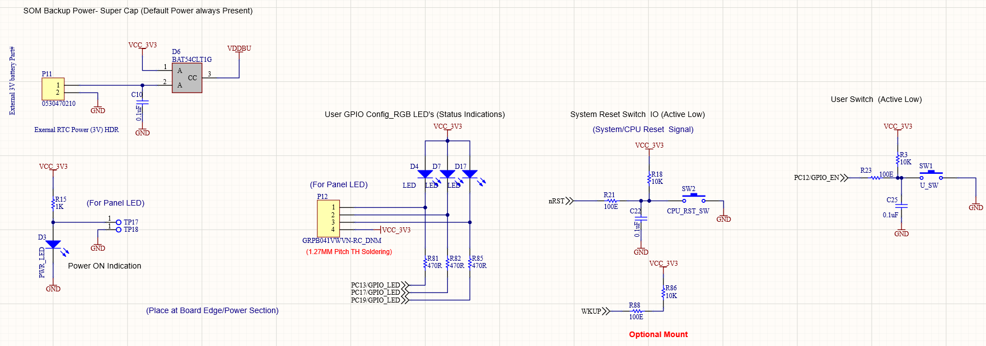
0.Power Tree

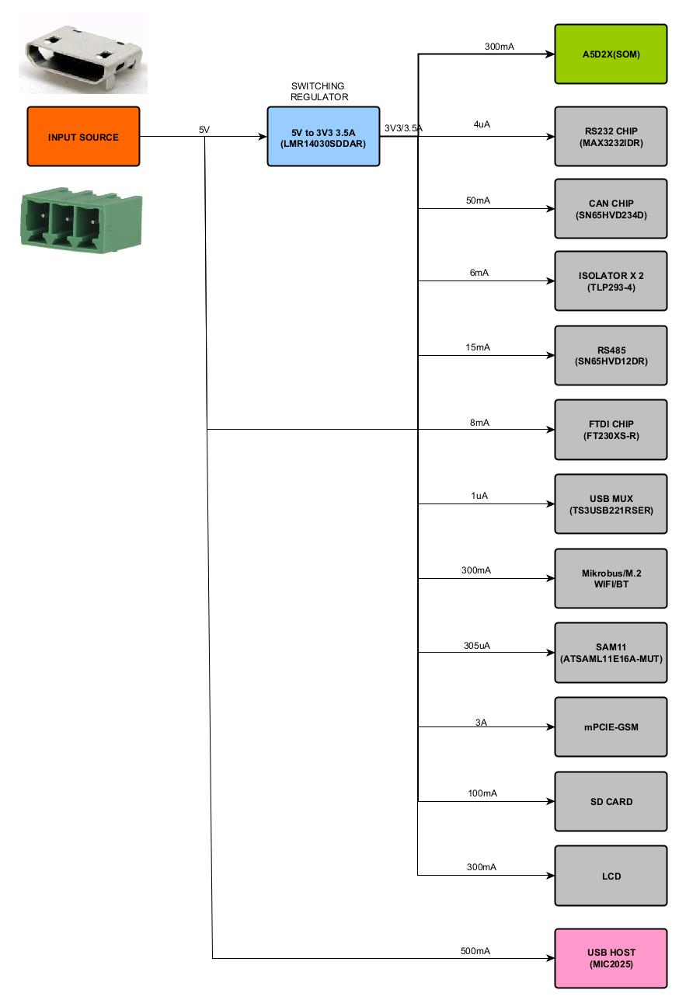

1.PhyCore_A5D2x_SOM

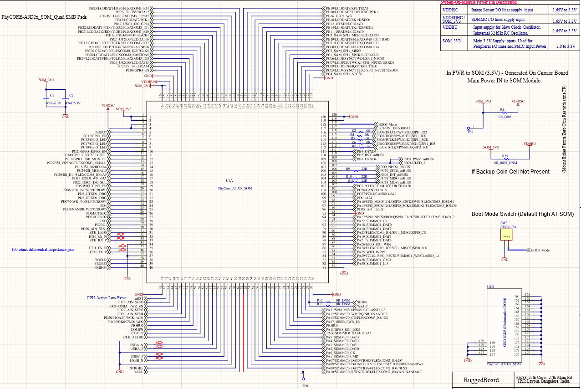

2.Power Supply

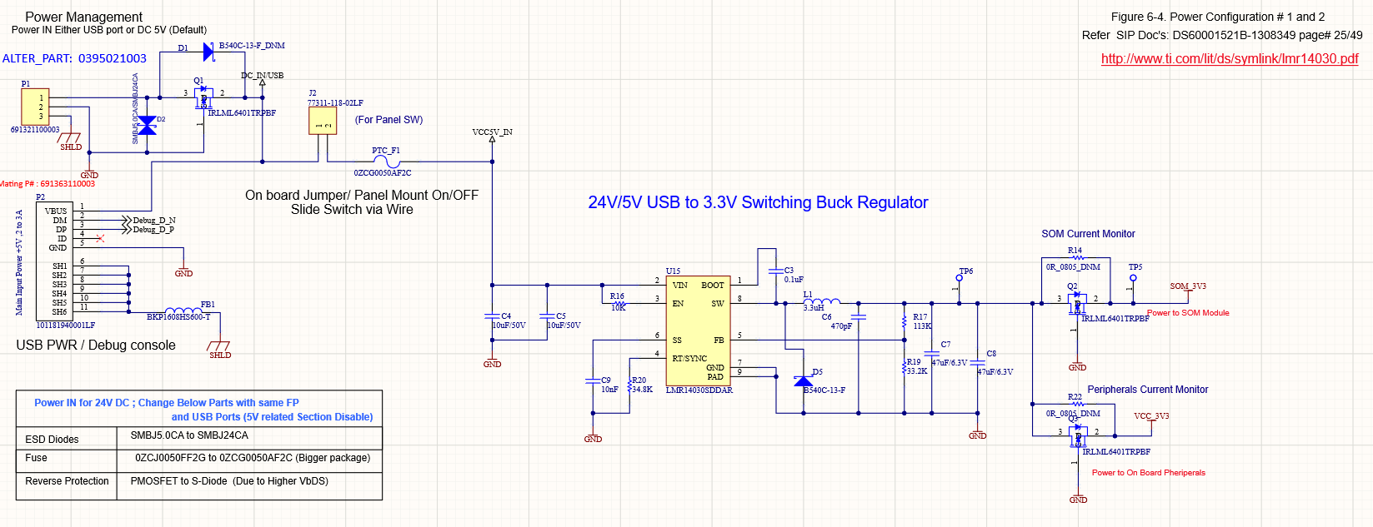

3.Ethernet

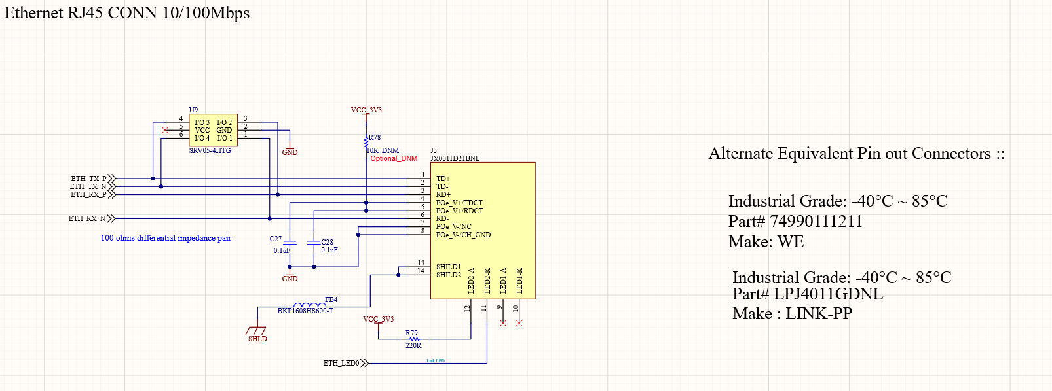

4.Serial Port; RS232 x 2

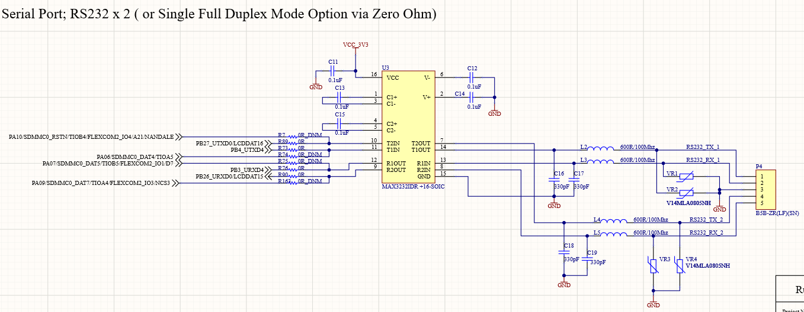

5.Mini PCIe Connector with SIM Conn (3G/4G Modem without SIM Socket )

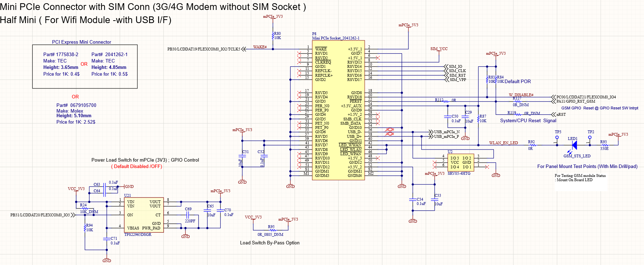

6.Hybrid Slot (Micro SD Card and Micro SIM)

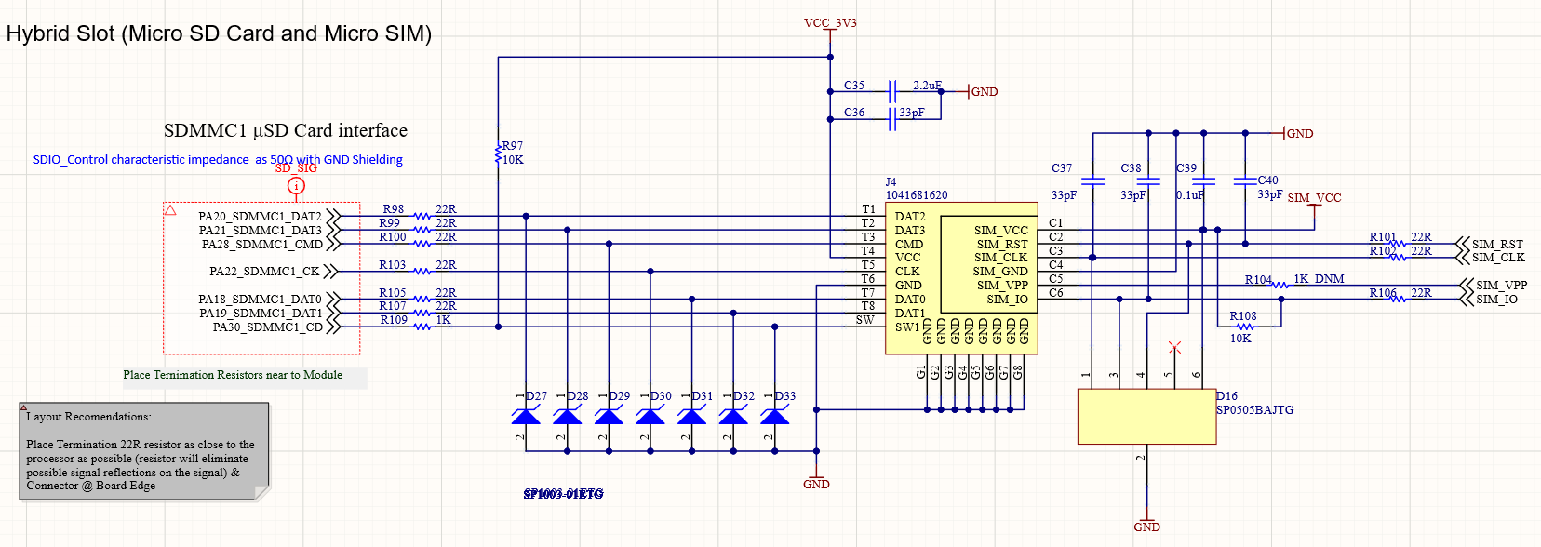

7.Serial Interface RS485 and CAN

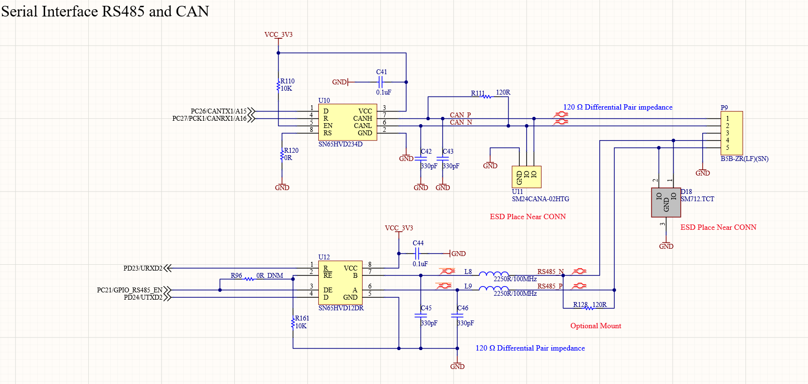

8.USB Debug Port (UART to USB) /TTL Debug Port (3.3V)

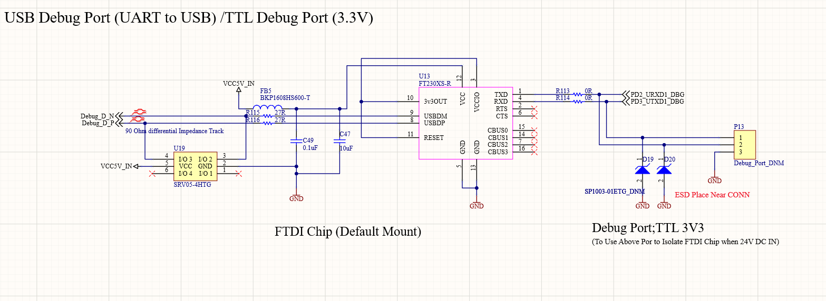

9.Digital isolators

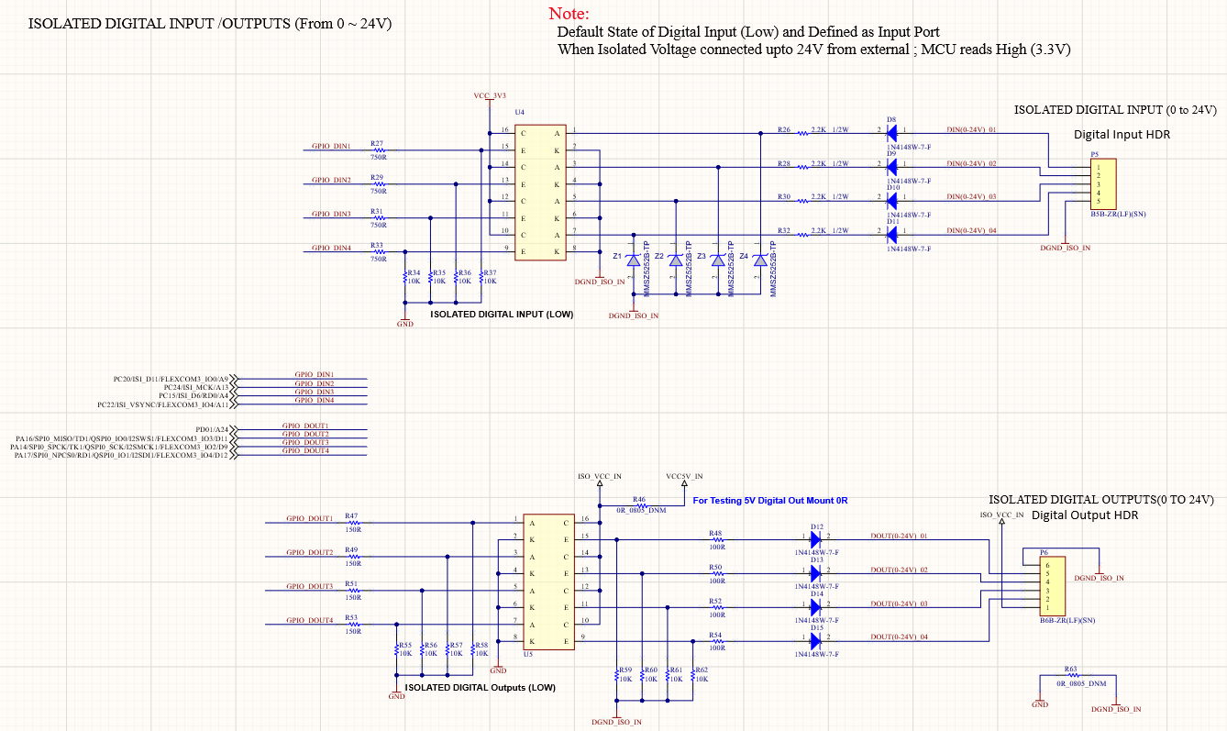

10.USB Host With Muxer

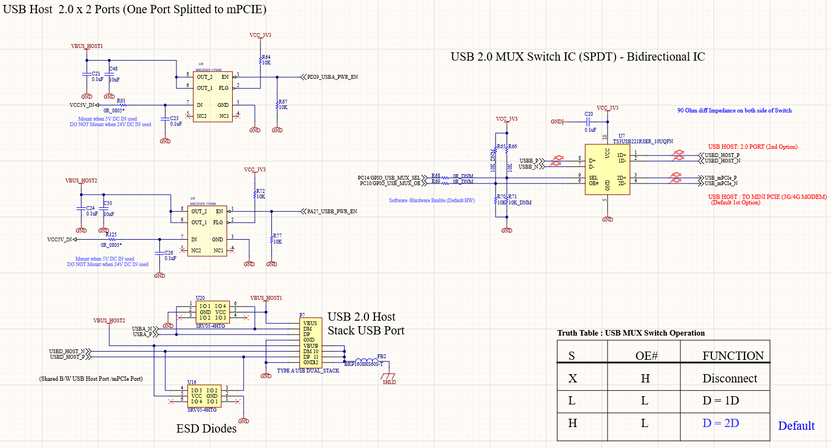

11.MikroBUS Module& Wifi/BT eMMC Module

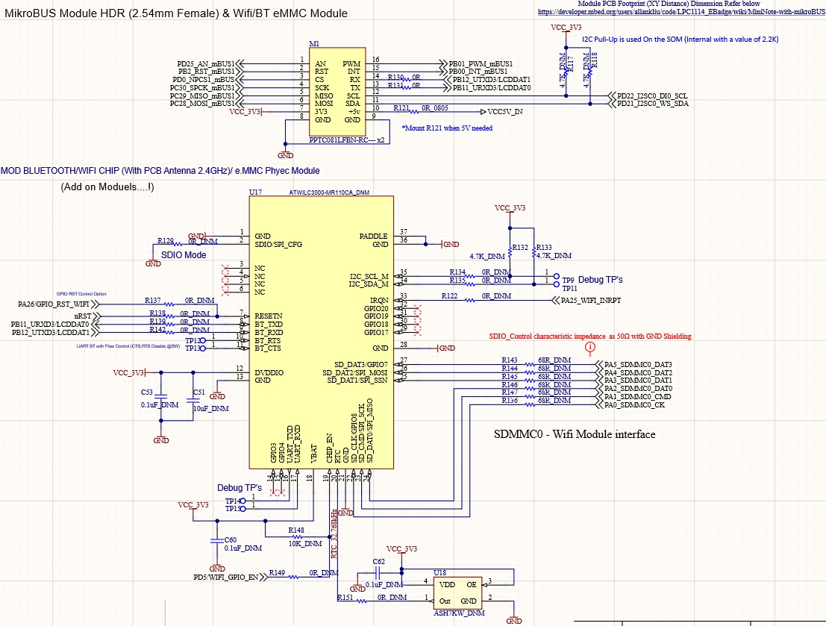

12.SAM L11 Controller

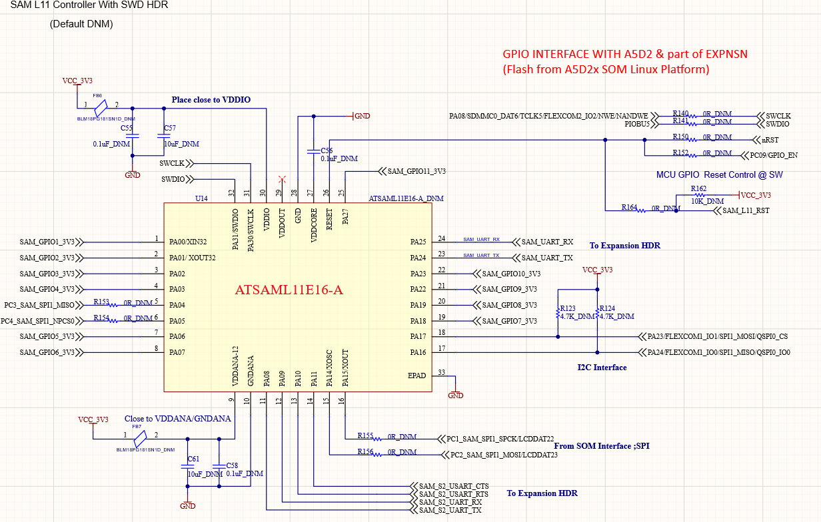
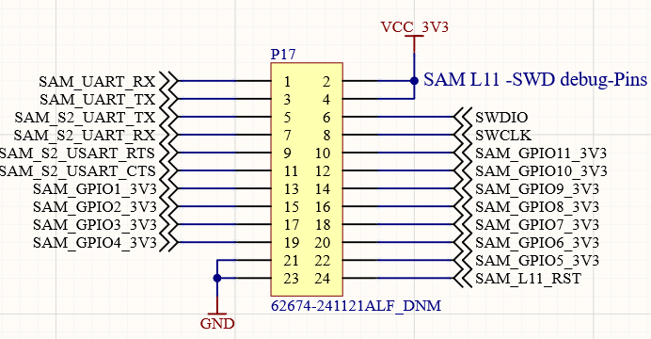

13.Expansion Header

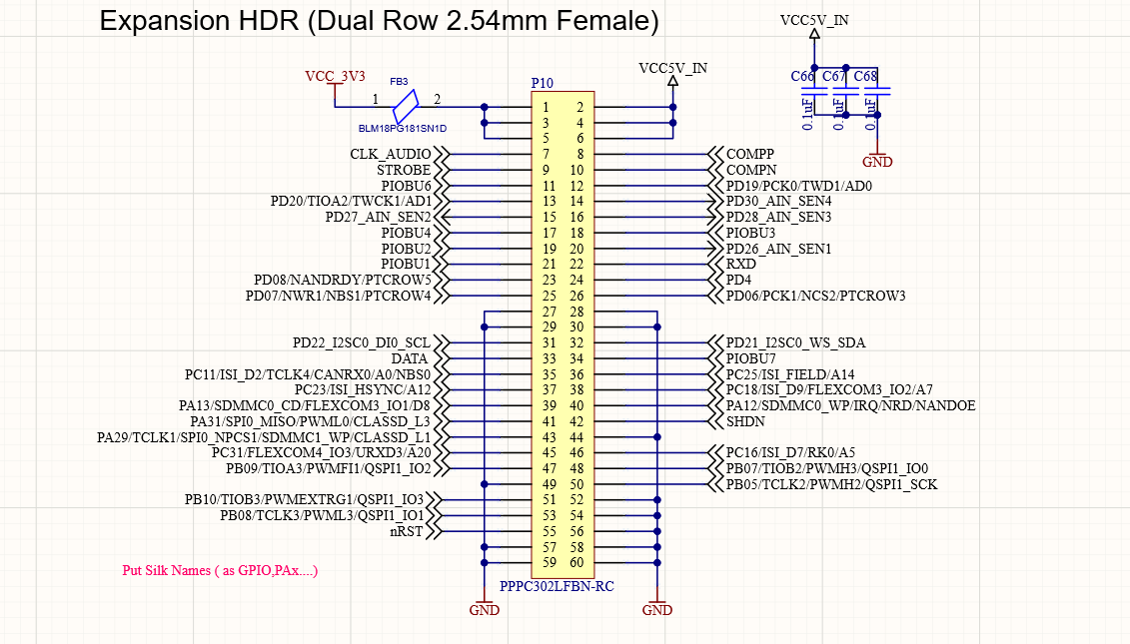

14.LCD Connector

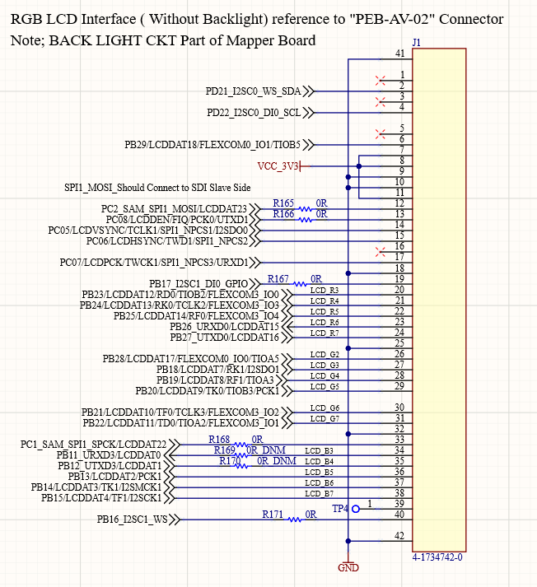

15.RTC and RST,USR SWITCH

BLE Gateway_Layout
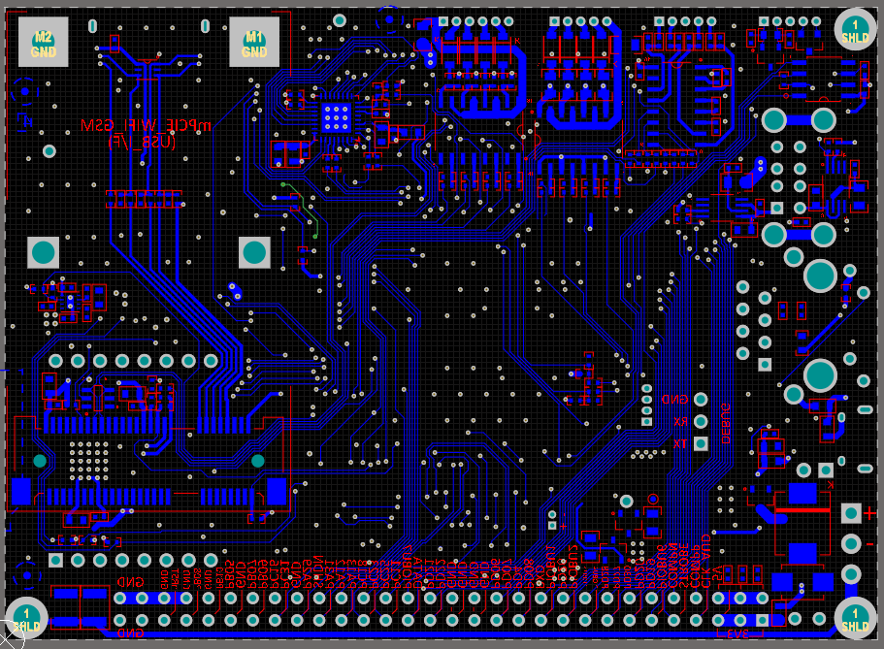
 | PCB 3D VIEW
3D VIEW TOP |  | 3D VIEW BOTTOM

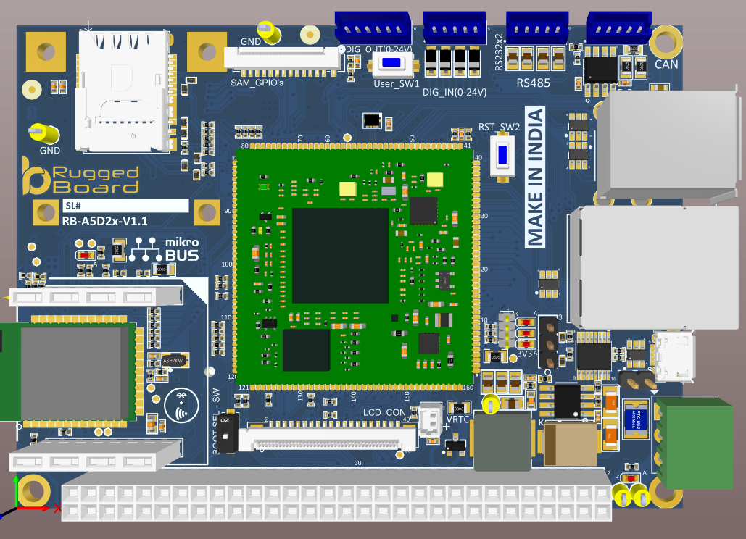
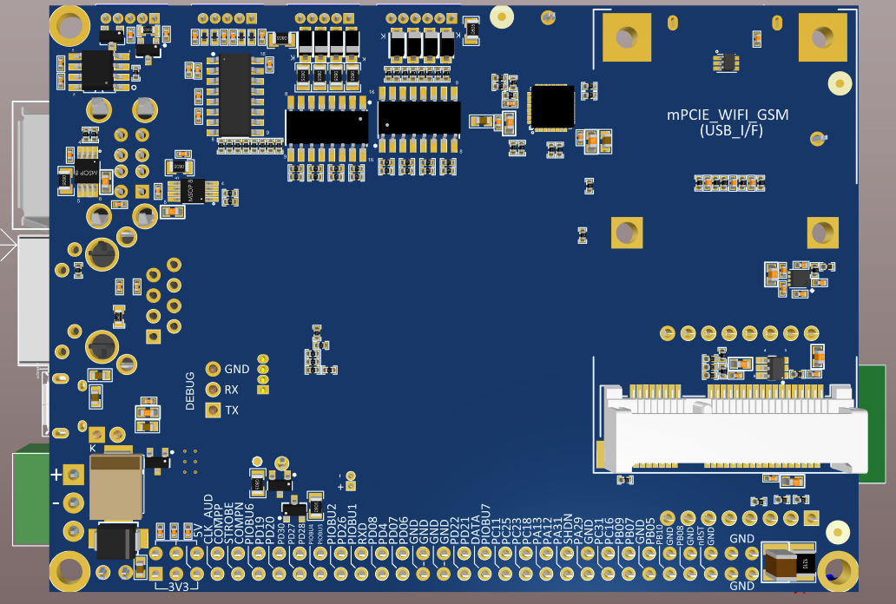

 | PCB/GERBER VIEW

L1-TOP LAYER

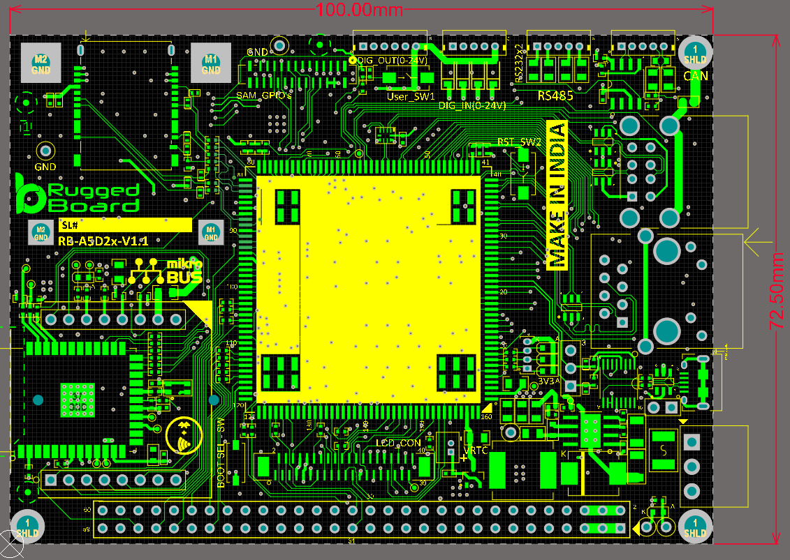

L2-GND LAYER

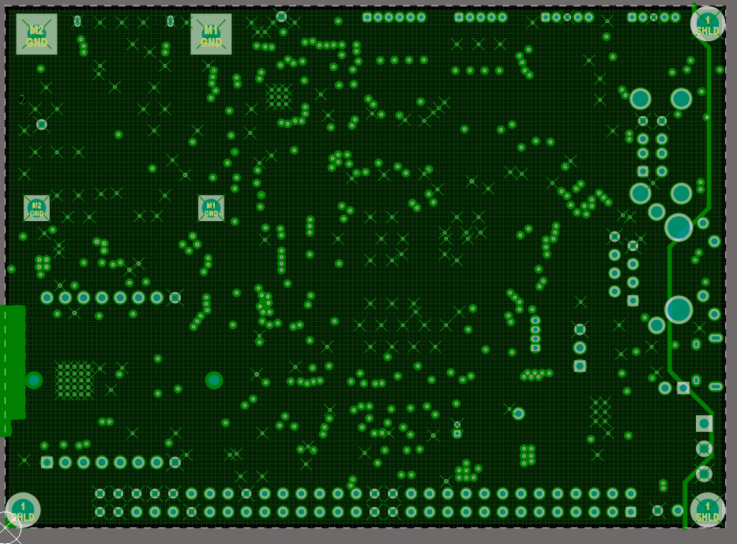

L3-VCC LAYER

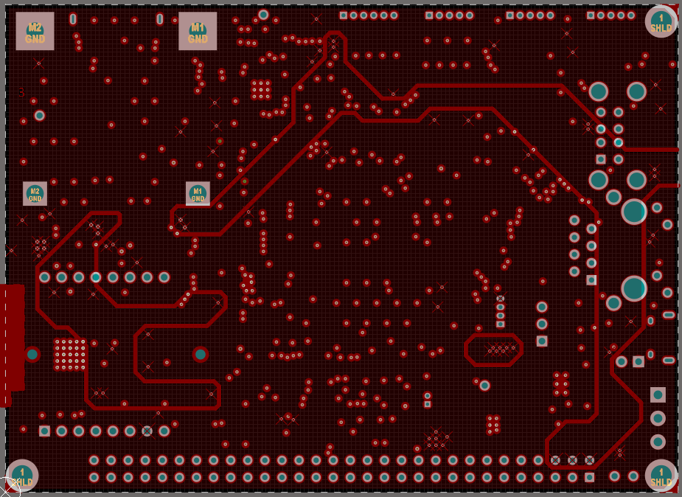

L4-BOTTOM LAYER

